1. Title Page
Sales Analysis

Project Name: Instacart Grocery Baskett Analysis
Date: 01/16/2025
Analyst Name: Sarah Bannon

Data Source | “The Instacart Online Grocery Shoppi Dataset 2017”, Accessed from www.instacart.com/datasets/grocery-shopping-2017 via Kaggle on <12/25>
 | * Note: The customer data and product prices were fabricated for the purpose of this project conducted under an educational premise.

Project | The Instacart stakeholders are most interested in the variety of customers in their database along with their purchasing behaviors. They
Context | assume they can't target everyone using the same methods, and they’re considering a targeted marketing strategy. They want to target
 | different customers with applicable marketing campaigns to see whether they have an effect on the sale of their products. This analysis report
 | will inform what this strategy might look like to ensure Instacart targets the right customer profiles with the appropriate products.

Contents:
Population Flow
Consistency checks
Wrangling steps
Column derivations
Visualizations
Recommendations

2. Population Flow
Title page

Population flow

Exclusion flag
Condition: max_order < 5
Obervations to be removed: 1,440,045
Final total count of order_products_all: 30,959,687

Orders_products_all
Orders_products_combined
Orders_products_merged
Orders_products_all

Total: 30,959,687
Total: 32,434,489
Total: 32,399,732
Total: 32,399,732

1.) The grey boxes in the first row of the population flow represent the original data sets as they were when downloaded. The Total fields contain the original row counts.
2.) The second row of boxes (coloured) represents the data sets after manipulating them, e.g., removed missing values and duplicates. The Total fields contain the row counts after conducting these operations. This offers a visual oveview of how the data flows throughout the data consistency checks.
3.) The third row, where also the arrows are coloured, represents the merges performed between the datasets. The Total contains the row counts in the merged datasets, so that you end up with the final dataset (in the red box). Keep in mind the final dataset should be without exclusions (based on the exclusion flag).

3. Consistency checks
 |  |  |  | Title page
Consistency checks

Dataset | Missing values | Missing values treatment | Duplicates
orders | [days_since_prior_order]: 206,209 | Added new column [first_order] as flag variable | No duplicates
products | [product_name] : 16 | Removed | Removed 5 duplicate rows
orders_products_prior | No missing values | N/A | No duplicates
customers | No missing values | N/A | No duplicates

4. Wrangling steps
 |  |  |  |  | Title page
Wrangling steps

Data set | Columns dropped | Columns renamed | Columns' type changed | Comment/Reason
 |  | [order_dow] -> [orders_day_of_week] |  | clarity
orders.csv |  |  | [order_id] 'str' | not included in numeric analysis
 |  | [user_id] -> [customer_id] |  | clarity
 |  | [First Name] -> [first name] |  | consistency
 |  | [Surnam] -> [last name] |  | consistency
customer.csv |  | [Gender] -> [gender] |  | consistency
 |  | [STATE] -> [state] |  | consistency
 |  | [Age] -> [age] |  | consistency
 |  | [n_dependants] -> [dependents] |  | consistency
 |  |  | [first name] 'str' | field contains strings
 |  | [orders_day_of_week] -> [order_day_of_week] |  | fix typo
 | [_merge] |  |  | not needed for final analysis
opc_checked.pkl | [price_range_loc] |  |  | duplicate of column [price_range]
 |  | [busiest_day] -> [day_busyness] |  | clarity
 |  | [busiest_period_of_day] -> [hour_of_day_busyness] |  | clarity
 | [med_sinceprior] |  |  | duplicate of column [med_since_prior]
 |  | [med_sinceprior] -> [med_days_since_prior_order] |  | clarity
 |  |  | [order_id] 'int 32' | reduce memory usage
 |  |  | [user_id] 'int32' | reduce memory usage
 |  |  | [order_number] 'int8' | reduce memory usage
 |  |  | [order_day_of_week] 'int8' | reduce memory usage
 |  |  | [order_hour_of_day] 'int8' | reduce memory usage
 |  |  | [days_since_prior_order] 'float16' | reduce memory usage

5. Column derivations
 |  |  |  |  |  | Title page

Column derivations and aggregations

Dataset | New column | Column/s it was derived from | Conditions
labeled_ords_prods.pkl | [price_range] | [prices] | prices <= 5 : 'Low-range product' prices > 5 and <= 15: 'Mid-range product' prices > 15 : 'High-range' else : 'Not enough data'
 | [price_range_loc] | [prices] | prices <= 5 : 'Low-range product' prices > 5 and <= 15: 'Mid-range product' prices > 15 : 'High-range product' else : 'Not enough data'
 | [busiest_day] | [orders_day_of_week] | orders_day_of_week == 0 : 'Busiest day' orders_day_of_week == 4 : 'Least busy' else : 'Regularly busy' | 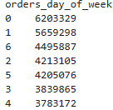
 | [busiest_days] | [orders_day_of_week] | orders_day_of_week == 0 or == 1: 'Busiest days' orders_day_of_week == 4 or == 3 : 'Least busy days' else : 'Regularly busy'
 | [busiest_period_of_day] | [order_hour_of_day] | order_hour_of_day >= 0 and <5 : 'Fewest orders' order_hour_of_day >= 10 and <= 15 : 'Most orders' else : 'Average orders'
 | [max_order] | [user_id], [order_number] | maximum order number by user .groupby(['userid'])['order_number'].transform(np.max)
order_prods_wflags.pkl | [loyalty_flag] | [max_order] | max_order > 40 : 'Loyal customer' max_order <= 40 : 'Regular customer' max_order <= 10 : 'New customer' |  | 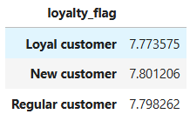
 | [avg_spent] | [user_id], [prices] | average of prices by user .groupby([user_id])['prices'].transform(np.mean)
 | [spending_flag] | [avg_spent] | avg_spent >= 10 : 'High spender' avg_spent < 10 : 'Low spender'
 | [med_since_prior] | [user_id], [days_since_prior_order] | median days since prior order by user .groupby(['user_id'])['days_since_prior_order'].transform(np.median)
 | [frequency_label] | [med_since_prior] | med_since_prior > 20 : 'Non-frequent customer' med_since_prior > 10 and <= 20 : 'Regular customer' med_since_prior <= 10 : 'Frequent customer'
 | [region] | [state] | northeast = ['Maine', 'New Hampshire', 'Vermont', 'Massachusetts', 'Rhode Island', 'Connecticut', 'New York', 'Pennsylvania', 'New Jersey'] midwest = ['Wisconsin', 'Michigan', 'Illinois', 'Indiana', 'Ohio', 'North Dakota', 'South Dakota', 'Nebraska', 'Kansas', 'Minnesota', 'Iowa', 'Missouri'] south = ['Delaware', 'Maryland', 'District of Columbia', 'Virginia', 'West Virginia', 'North Carolina', 'South Carolina', 'Georgia', 'Florida', 'Kentucky', 'Tennessee', 'Mississippi', 'Alabama', 'Oklahoma', 'Texas', 'Arkansas', 'Louisiana'] west = ['Idaho', 'Montana', 'Wyoming', 'Nevada', 'Utah', 'Colorado', 'Arizona', 'New Mexico', 'Alaska','Washington', 'Oregon', 'California', 'Hawaii'] |  | 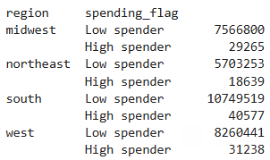 |  | 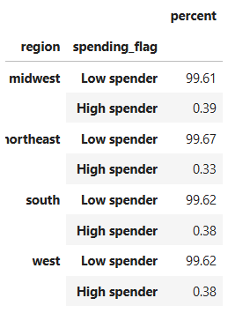
orders_products_all.pkl | [age_group] | [age] | age < 25 : 'young adult' age >= 25 and age < 40 : 'adult' age >= 40 and < 60 : 'middle-aged' age >= 60 : 'senior'
 | [income_group] | [income] | income < 53740 : 'lower class' income >= 53740 and <= 161220 : 'middle class' income > 161220 : 'upper class'
 | [dependents_flag] | [dependents] | dependents == 0 : 'No dependents' dependents > 0 : 'Has dependents'
 | [items_in_order] | [user_id], [order_number], [product_name] | count items per order by user .groupby(['user_id', 'order_number'].transform('size')
final.pkl | [item_quantity_flag] | [items_in_order] | items_in_order < 10 : 'Low product quantity' items_in_order >= 10 and age <= 20 : 'Medium product quantity' items_in_order > 20: 'High product quantity'
 | [order_total] | [user_id], [order_number], [prices] | sum of prices per order by user .groupby(['user_id', 'order_number'].transform('sum')
 | [order_spending_flag] | [order_total] | order_total < 50 : 'Low order total' order_total >= 50 and order_total <= 150 : 'Medium order total' order_total > 150: 'High order total'

6. Visualizations
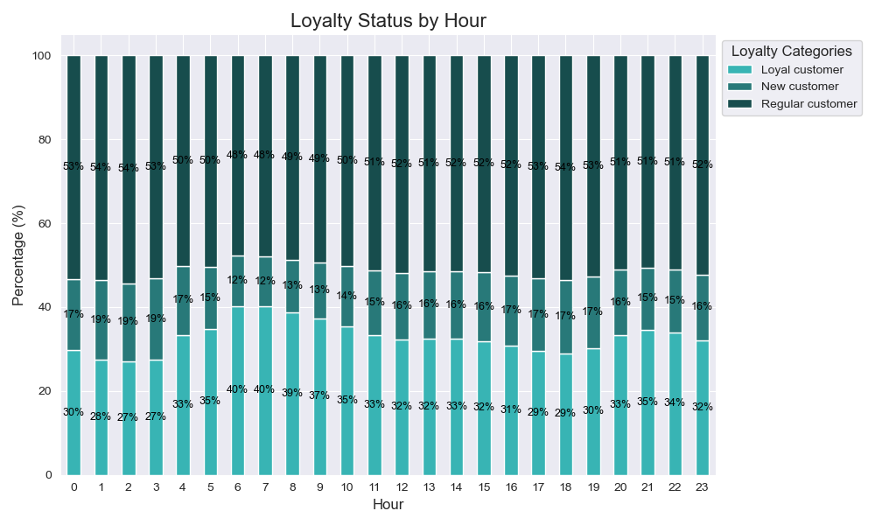
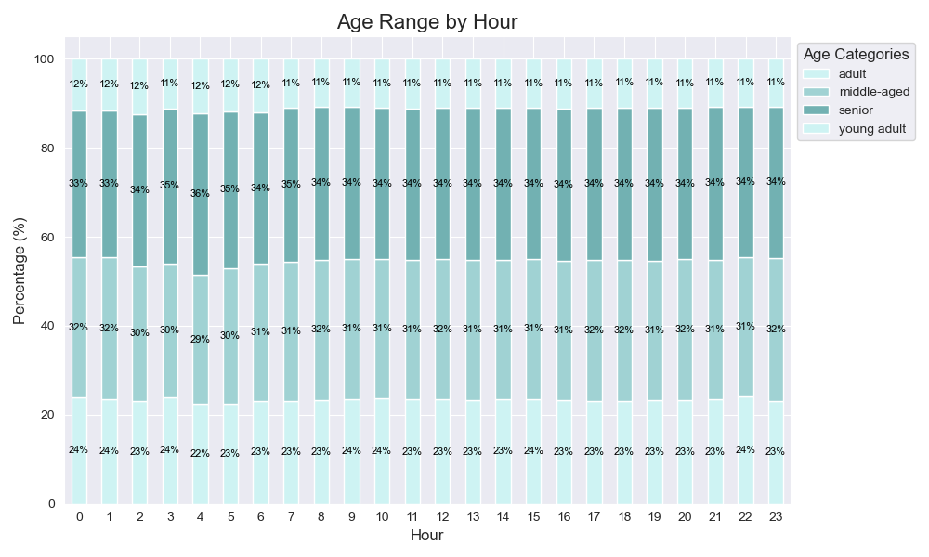
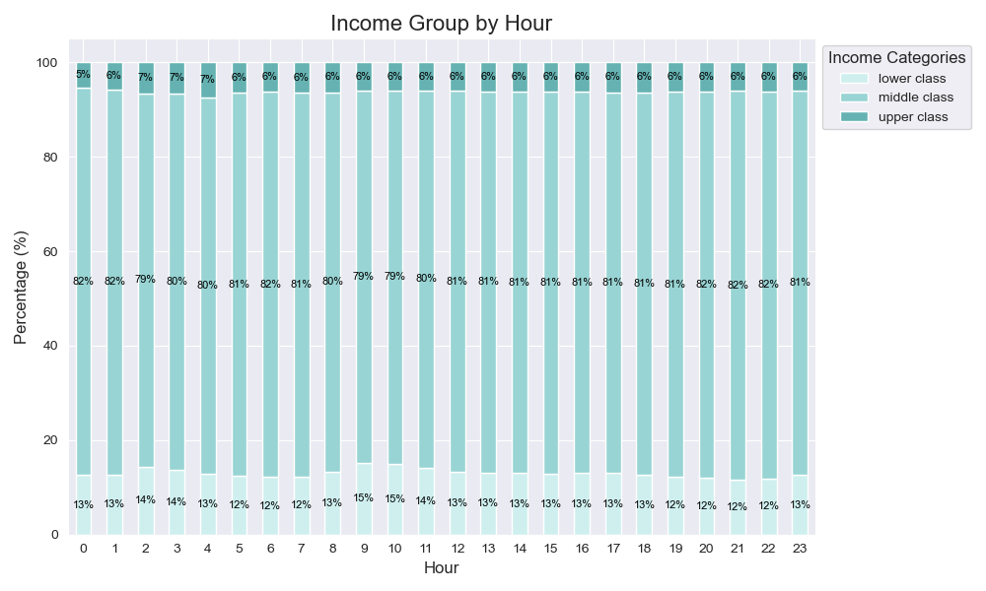
 |  | Title page

Visualisations

Key Question #1: The sales team needs to know what the busiest days of the week and hours of the day are (i.e., the days and times with the most orders) in order to schedule ads at times when there are fewer orders.
BUSY DAYS/HOURS

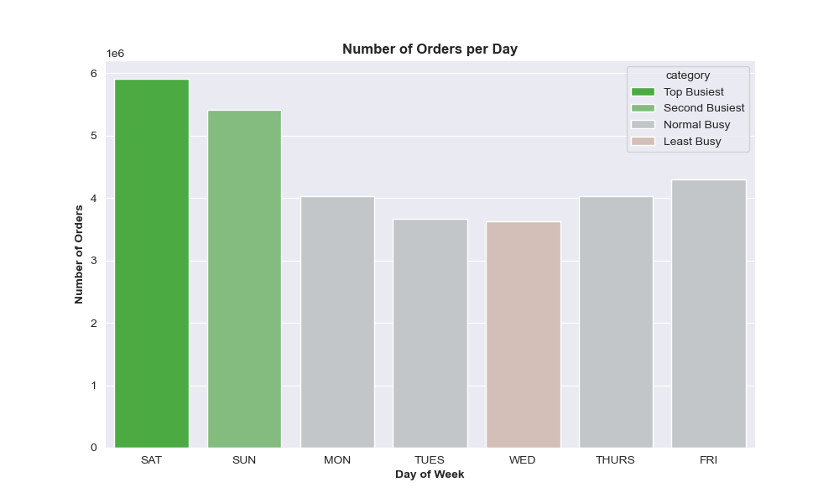
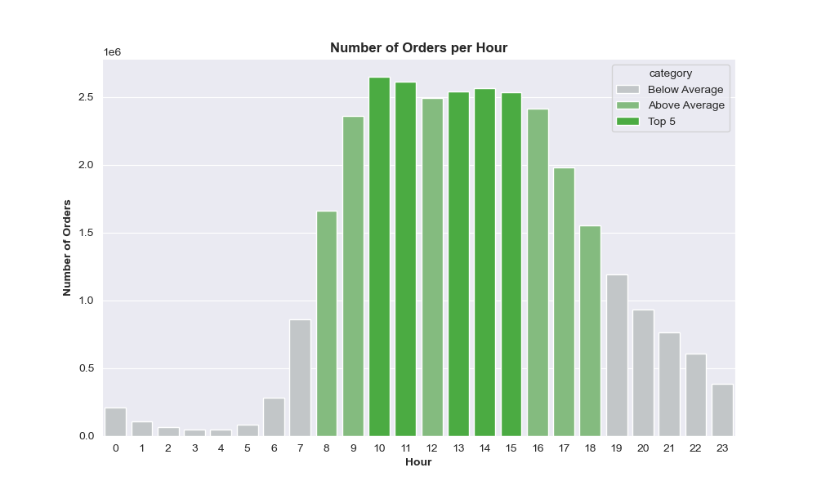
Key Question 3: Product price ranges | Low:

The weekend is the busiest with Saturday being the busiest day.
Most orders happen during the day, primarily between 9am and 5pm.
10am and 11am are the busiest hours.

SPENDING
Key Question #2: They also want to know whether there are particular times of the day when people spend the most money, as this might inform the type of products they advertise at these times.

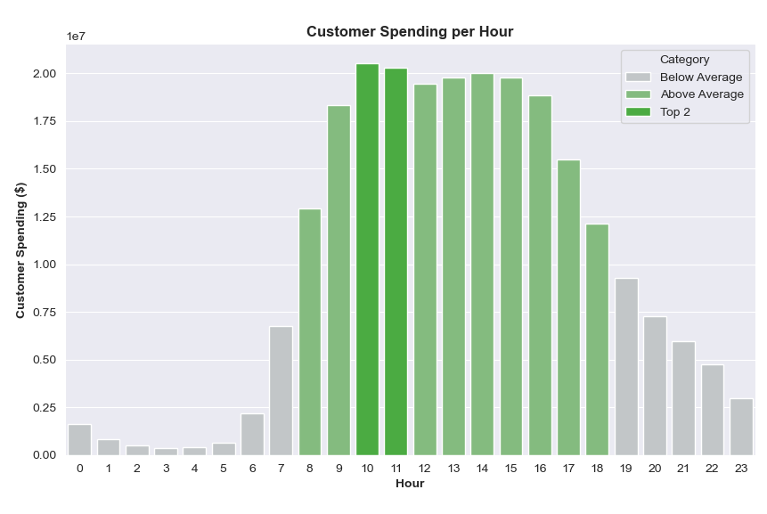
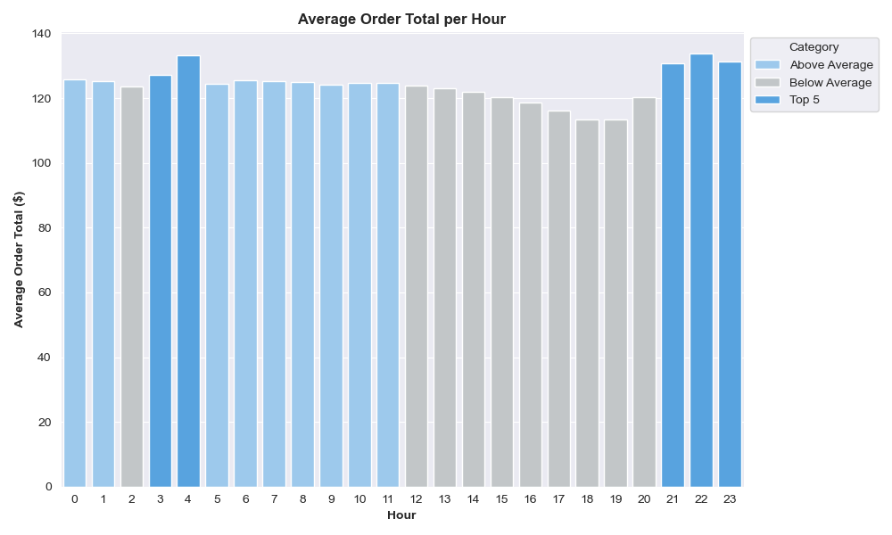

The average price of a product with an order remains consistent throughout the day at about $7.79.
However, the average number of products with an order does fluctuate, with peaks at hours 3 - 4 and 21 -23. This reflects the peaks in average order total per hour.
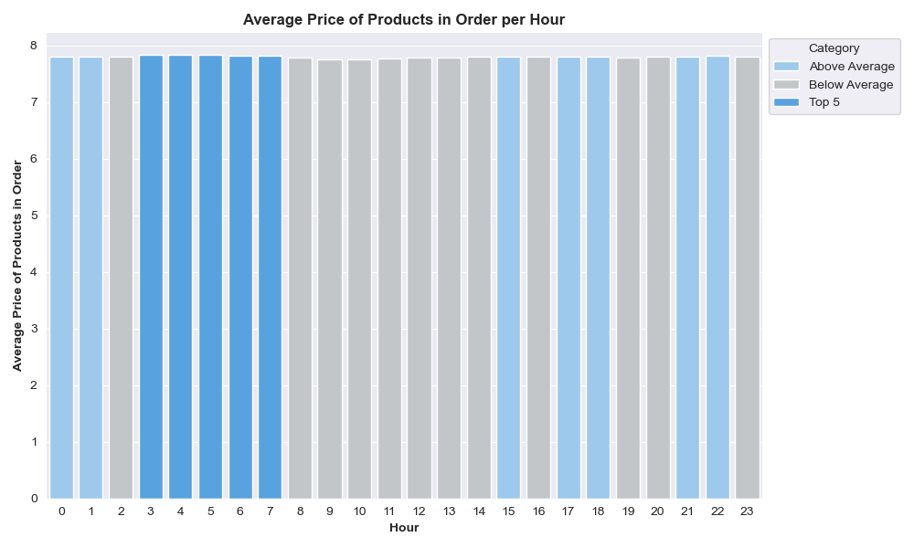
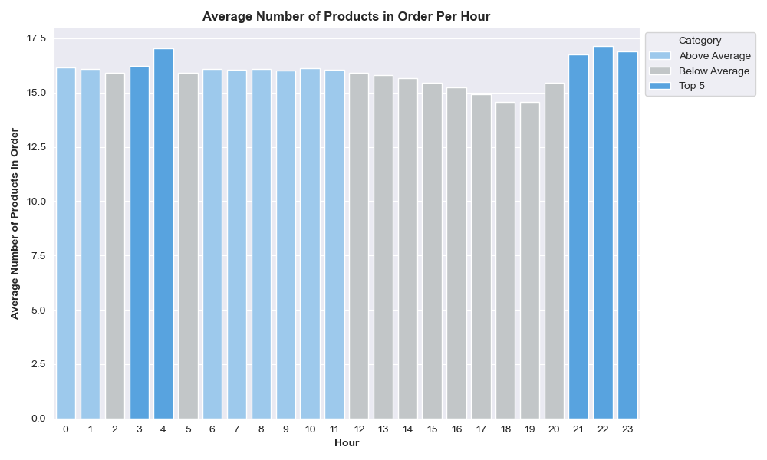
Instacart receives the most amount of money at hours 10 and 11. This reflects the peaks in business (number of orders).
People spend the most on an individual order late at night or very ealy morning, at hours 21 - 23 (i.e. 9 - 11pm) and 3 - 4 (i.e. 3 - 4am).

Key Question #3: Instacart has a lot of products with different price tags. Marketing and sales want to use simpler price range groupings to help direct their efforts.
PRODUCT PRICE RANGE

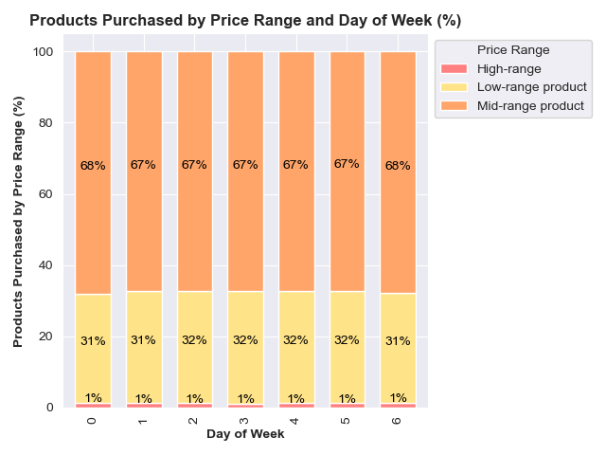
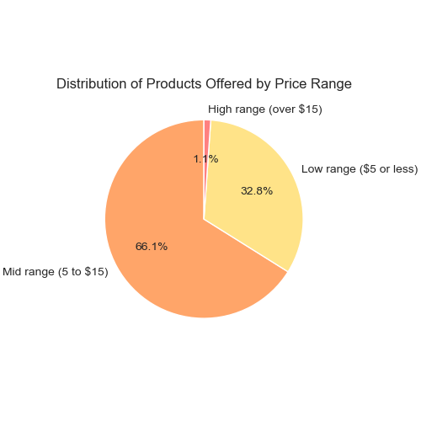

Majority of Instacart products are of mid-range price at around $5 - $15.
The distribution of products offered matches that of products bought, and is consistent every day of the week at:
67% mid-range
32% low-range
1% high-range

Key Question #4: Are there certain types of products that are more popular than others? The marketing and sales teams want to know which departments have the highest frequency of product orders.
PRODUCT DEPARTMENTS

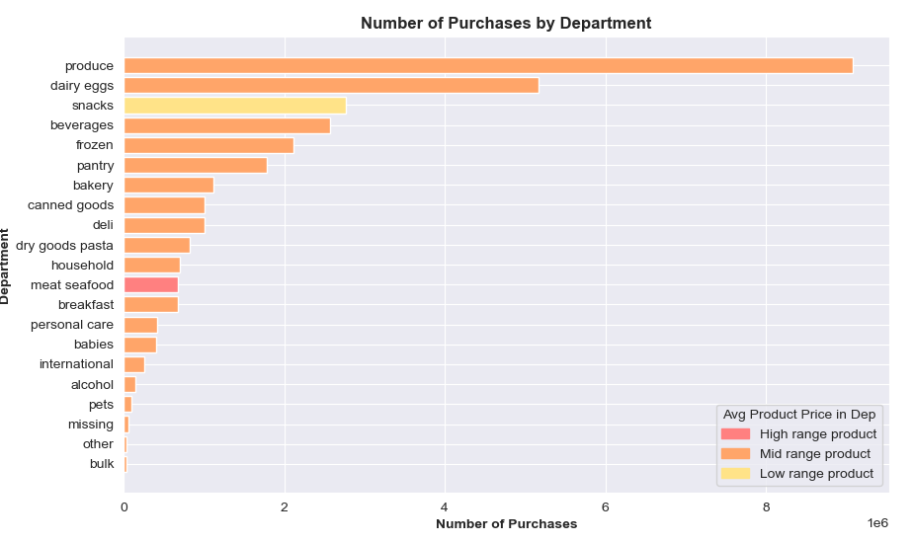

The top 3 most purchased from departments are:
1. Produce
2. Dairy Eggs
3. Snacks

Key Question #5: The marketing and sales teams are particularly interested in the different types of customers in their system and how their ordering behaviors differ. For example:

a: What’s the distribution among users in regards to their brand loyalty (i.e., how often do they return to Instacart)?

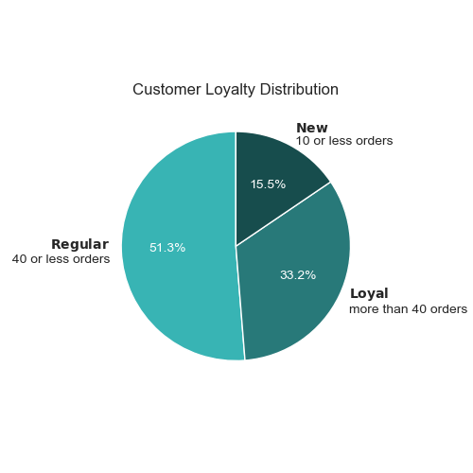
Over half the customer base is of 'Regular' brand loyalty, returning 40 or less times. 'Loyal' is at over 30%, and lastly 'New' is at about 15%.
1. Regular 51%
2. Loyal 32%
3. New 16%

LOYALTY STATUS

b: Are there differences in ordering habits based on a customer’s loyalty status?

The main difference in the ordering habits of loyalty status is their visit frequency.
Loyal customers are about 100% frequent, no non-frequent. Frequency increases with loyalty; i.e. the time between orders decreases with the number of orders by customer.

The number of products per order is consistent among all loyalty status, with medium product quantity (10 -20 products) being the highest percent, then low (less than 10), and lastly high (over 20).
The order total per order is consistent among all loyalty status, with medium order total ($50 - $150) being the highest percent, then high (over $150), and lastly low (less than $50).
The day customers shop by busyness is consistent among all loyalty status, with regularly busy (Mon, Thurs, Fri) being the highest percent, then busy (Sat, Sun), and lastly slow (Tues, Wed).
The hour customers shop by busyness is consistent among all loyalty status, with busy (10-15) aka average, being the highest percent, then regular/average (5-10, 15-23), and lastly slow/fewest (0-5).

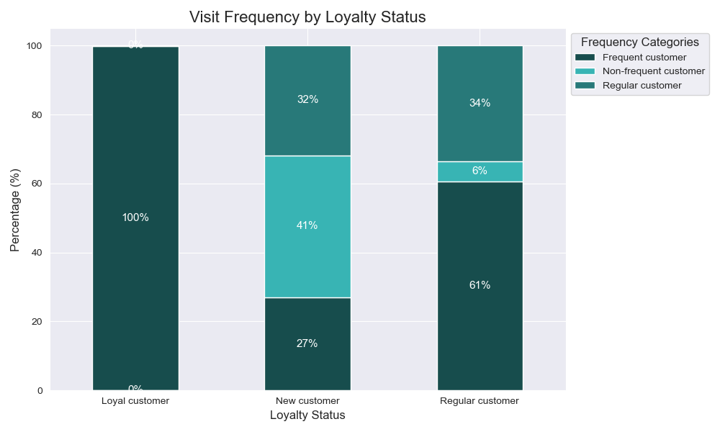
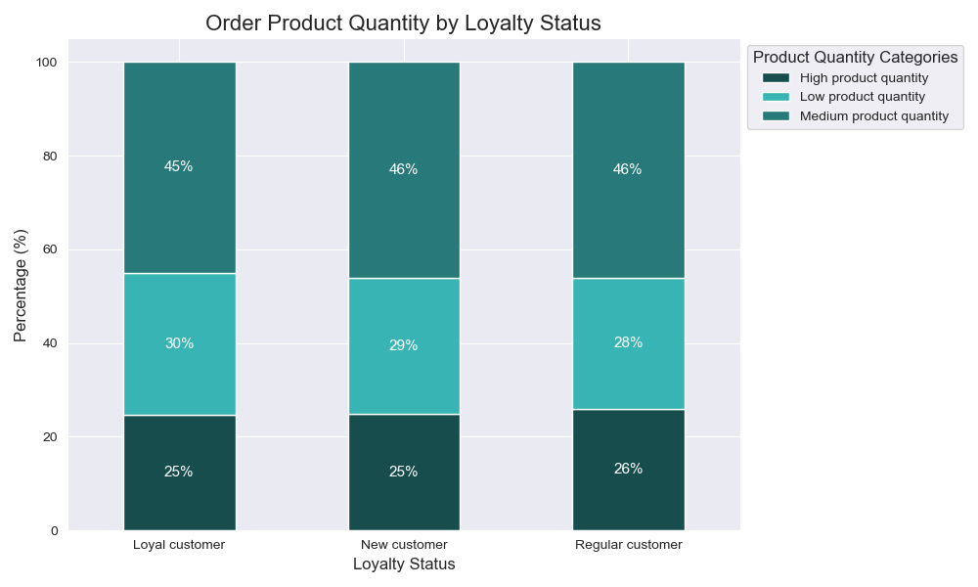
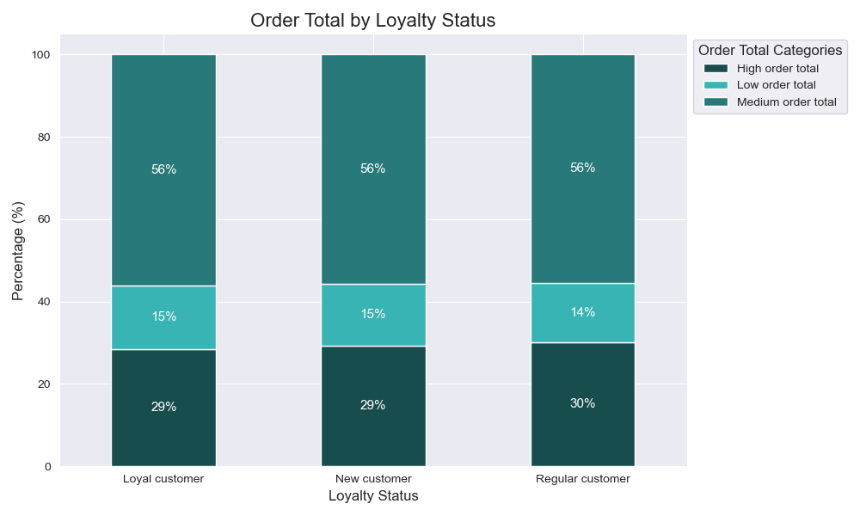
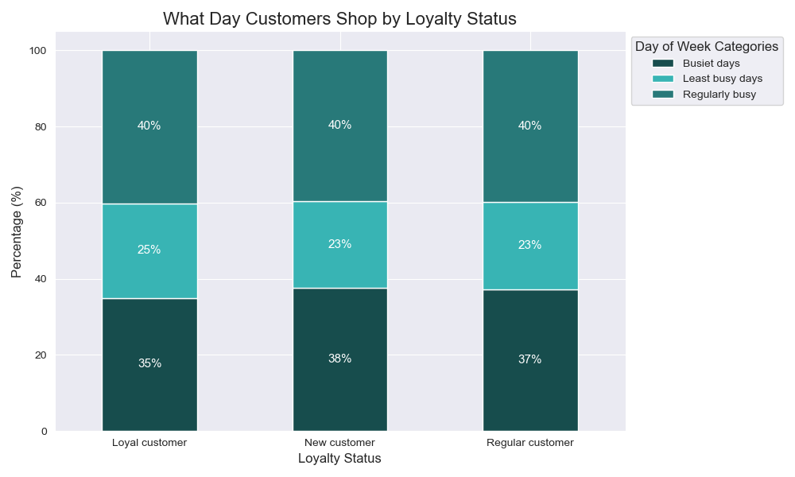
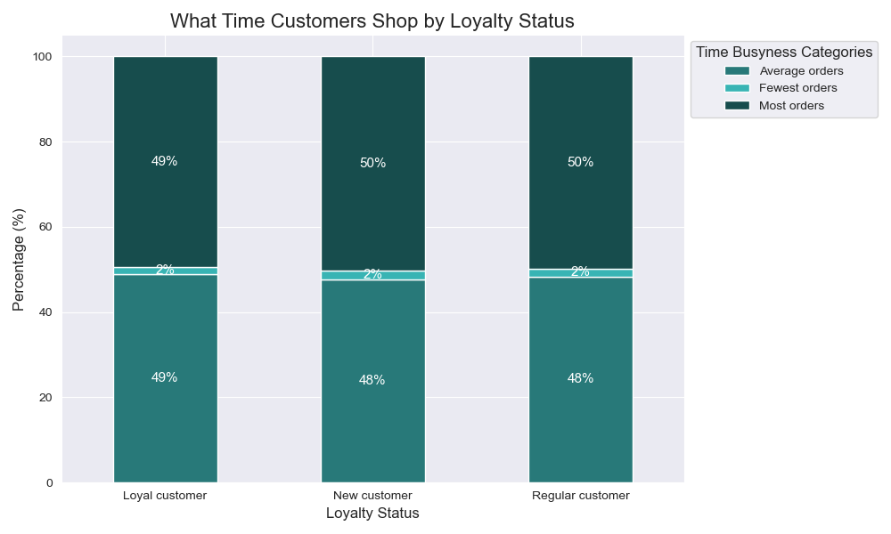

c: Are there differences in ordering habits based on a customer’s region?
REGION

Frequency: consistent
1. Frequent (10 or less days before last visit)
2. Regular (11- 20 days before last visit)
3. Non frequent (over 20 days before last visit)
Product Quantity: consistent
1. Medium product qunatity (10 - 20 products)
2. Low product quantity (less than 10 products)
3. High product quantity (over 20 products)
Order Total: consistent
1. Medium order total ($50 - $150)
2. High order total (over $150)
3. Low order total (less then $50)
Day: consistent
1. Regular aka regularly busy (Mon, Thurs, Fri)
2. Busy aka busiest days (Sat, Sun)
3. Slow aka least busy days (Tues, Wed)
Time: consistent
1. Busy aka most orders (hours 10 - 15)
2. Regular aka average orders (hours 5 - 10, 15 - 23)
3. Slow aka fewest orders (hours 0 -5)
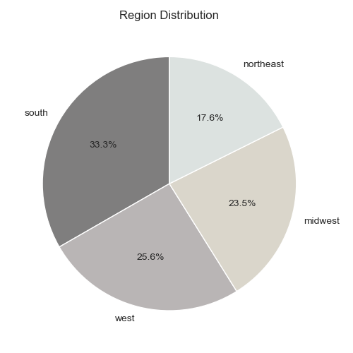

The south accounts for the most volume in Instacart data. The distribution order is as follows:
1. South 35%
2. West 26%
3. Midwest 24%
4. Northeast 18%
However, ordering behavior is consistent among all regions, as illustrated by the charts to the right:
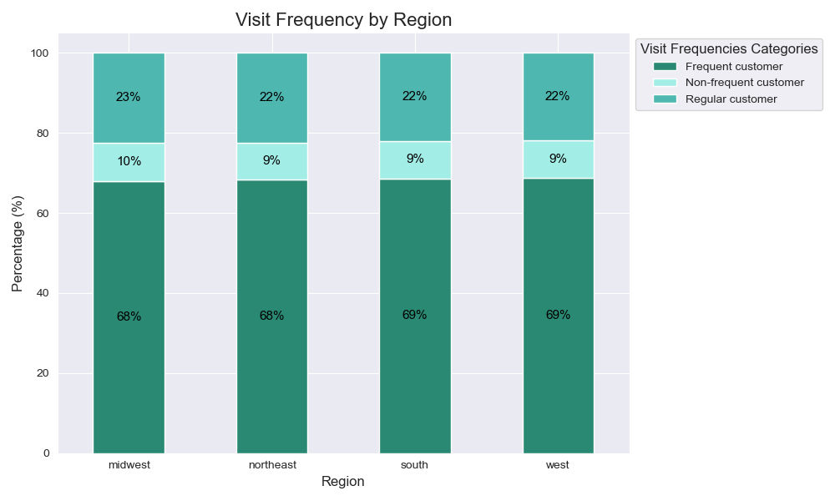
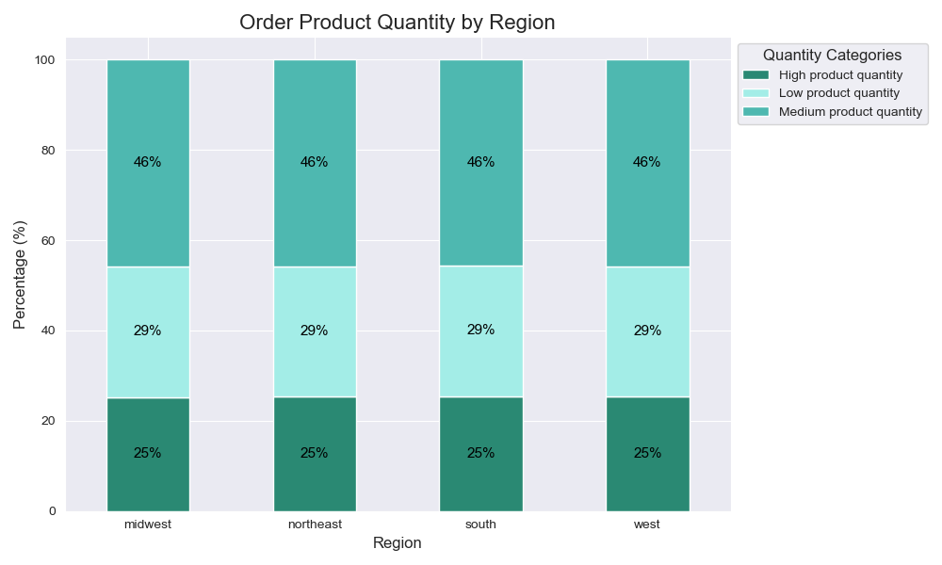
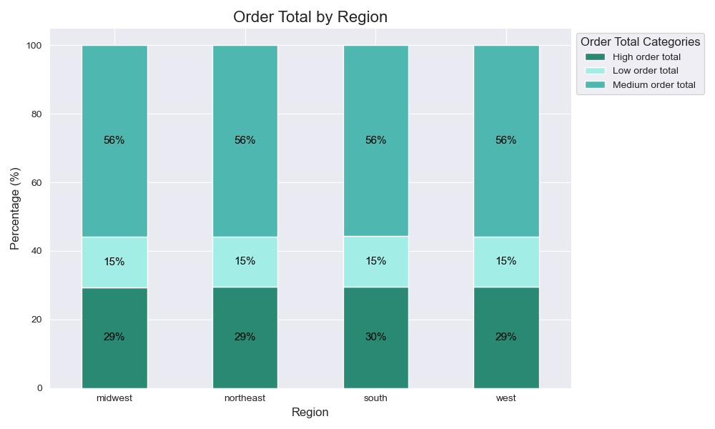
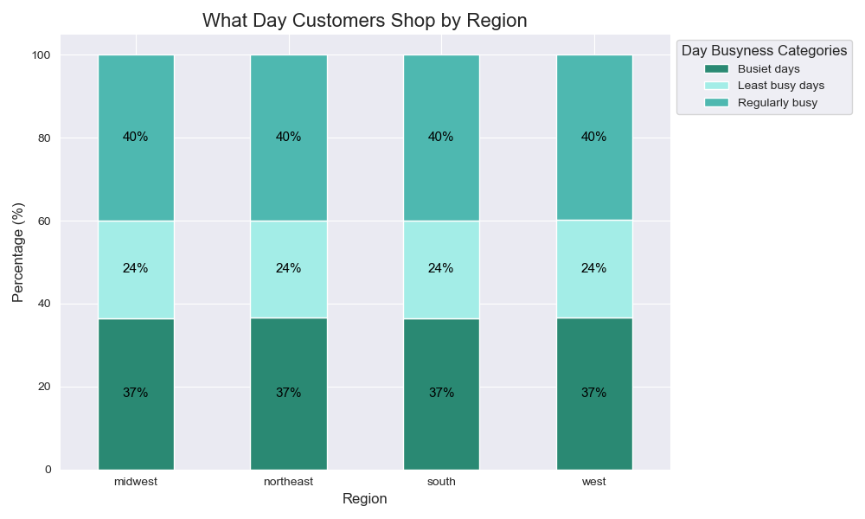
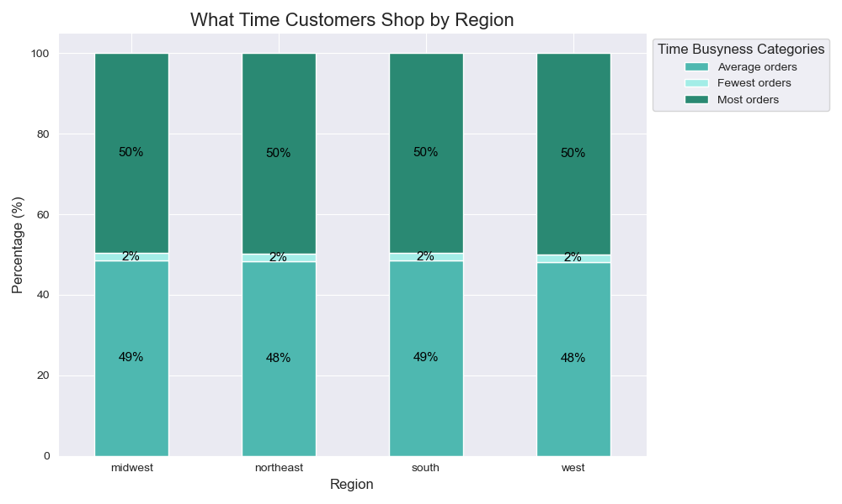

d: Is there a connection between age and family status in terms of ordering habits?
AGE

Frequency: consistent
1. Frequent (10 or less days before last visit)
2. Regular (11- 20 days before last visit)
3. Non frequent (over 20 days before last visit)
Product Quantity: consistent
1. Medium product qunatity (10 - 20 products)
2. Low product quantity (less than 10 products)
3. High product quantity (over 20 products)
Order Total: consistent
1. Medium order total ($50 - $150)
2. High order total (over $150)
3. Low order total (less then $50)
Day: consistent
1. Regular aka regularly busy (Mon, Thurs, Fri)
2. Busy aka busiest days (Sat, Sun)
3. Slow aka least busy days (Tues, Wed)
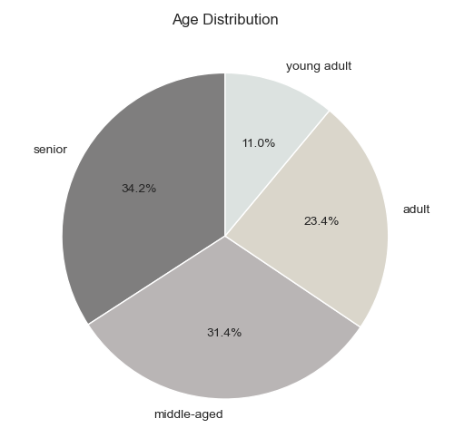
Time: consistent
1. Busy aka most orders (hours 10 - 15)
2. Regular aka average orders (hours 5 - 10, 15 - 23)
3. Slow aka fewest orders (hours 0 -5)

The senior age group accounts for the most volume in Instacart data. The distribution order is as follows:
1. Senior 34% (60+)
2. Middle-aged 31% (40 - 59)
3. Adult 23% (25 - 39)
4. Young adult 11% (<25)
However, ordering behavior is consistent among all age groups, as illustrated by the charts to the right:
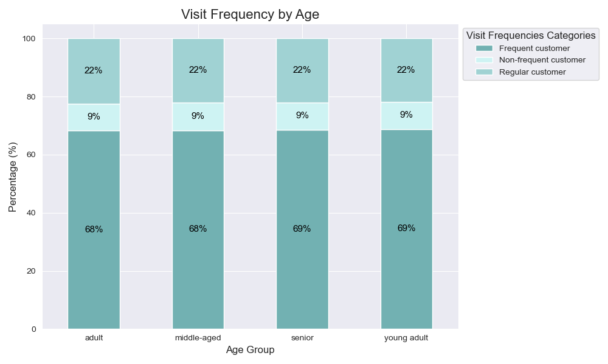
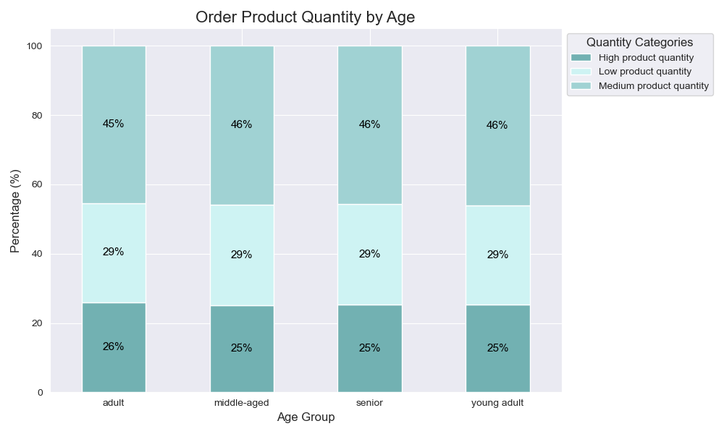
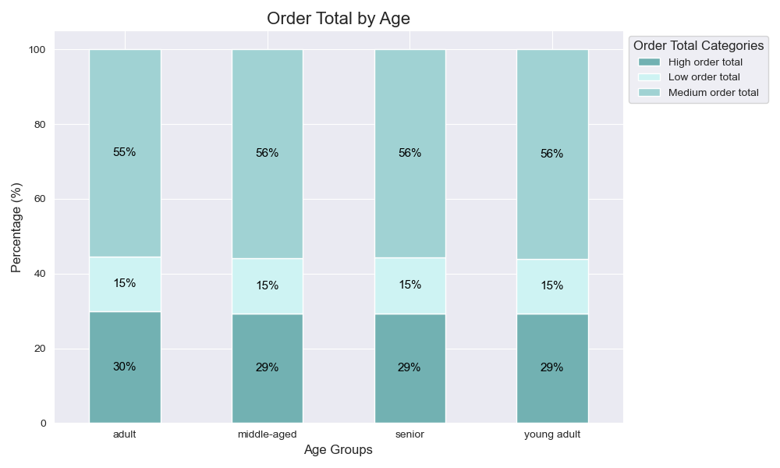
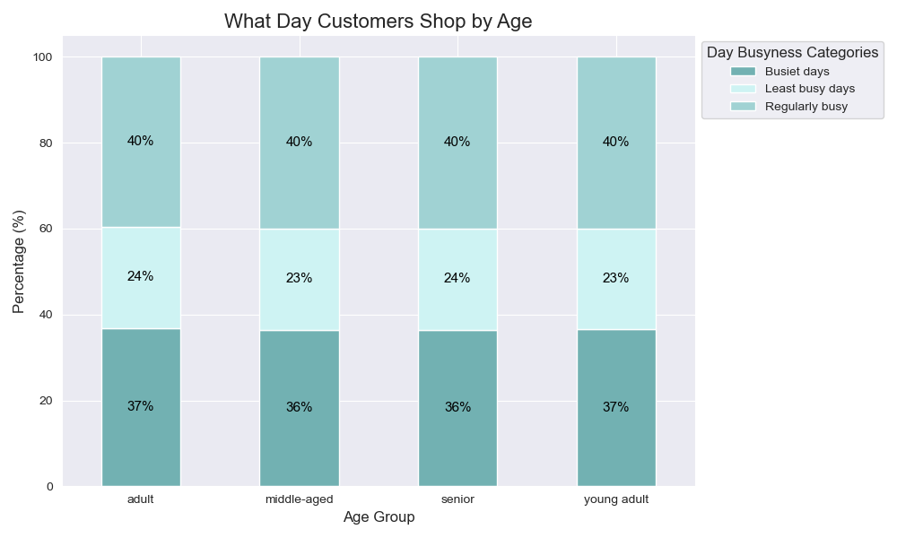
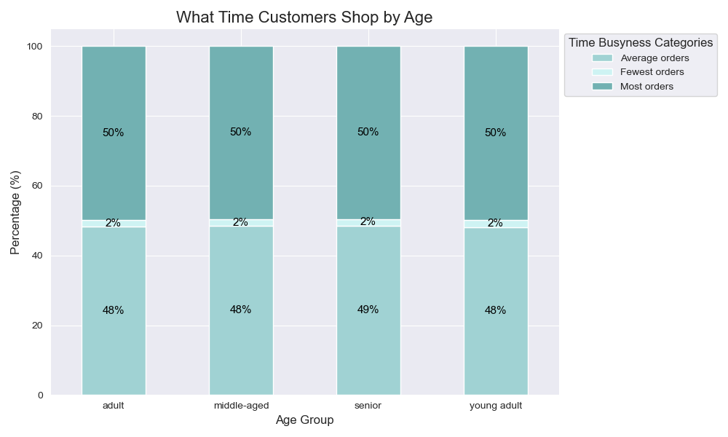

DEPENDENTS

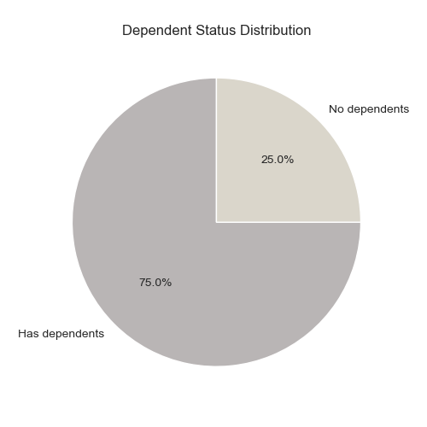
Frequency: consistent
1. Frequent (10 or less days before last visit)
2. Regular (11- 20 days before last visit)
3. Non frequent (over 20 days before last visit)
Product Quantity: consistent
1. Medium product qunatity (10 - 20 products)
2. Low product quantity (less than 10 products)
3. High product quantity (over 20 products)
Order Total: consistent
1. Medium order total ($50 - $150)
2. High order total (over $150)
3. Low order total (less then $50)
Day: consistent
1. Regular aka regularly busy (Mon, Thurs, Fri)
2. Busy aka busiest days (Sat, Sun)
3. Slow aka least busy days (Tues, Wed)
Time: consistent
1. Busy aka most orders (hours 10 - 15)
2. Regular aka average orders (hours 5 - 10, 15 - 23)
3. Slow aka fewest orders (hours 0 -5)

The Has Dependents group accounts for the most volume in Instacart data. The distribution order is as follows:
1. Has Dependents 75%
2. No dependents 25%
However, ordering behavior is consistent among all groups, as illustrated by the charts to the right:
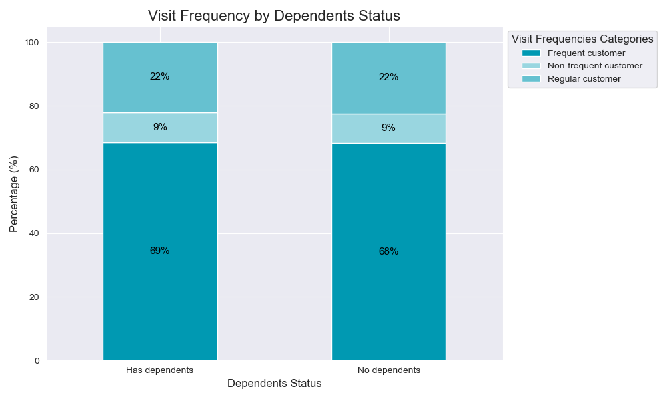
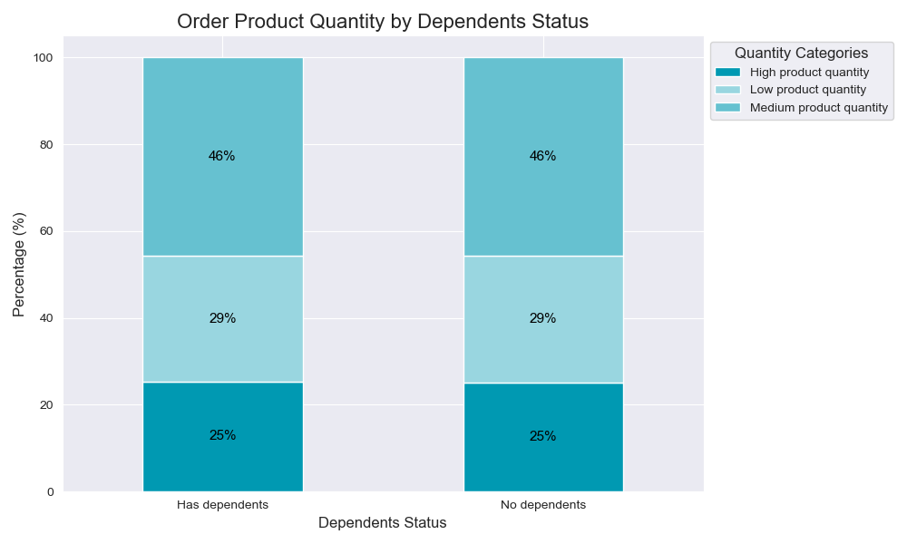
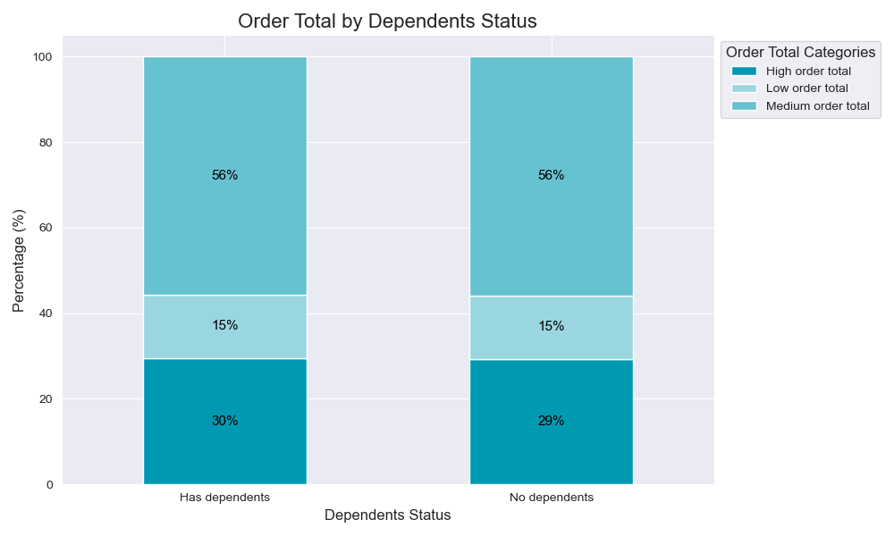
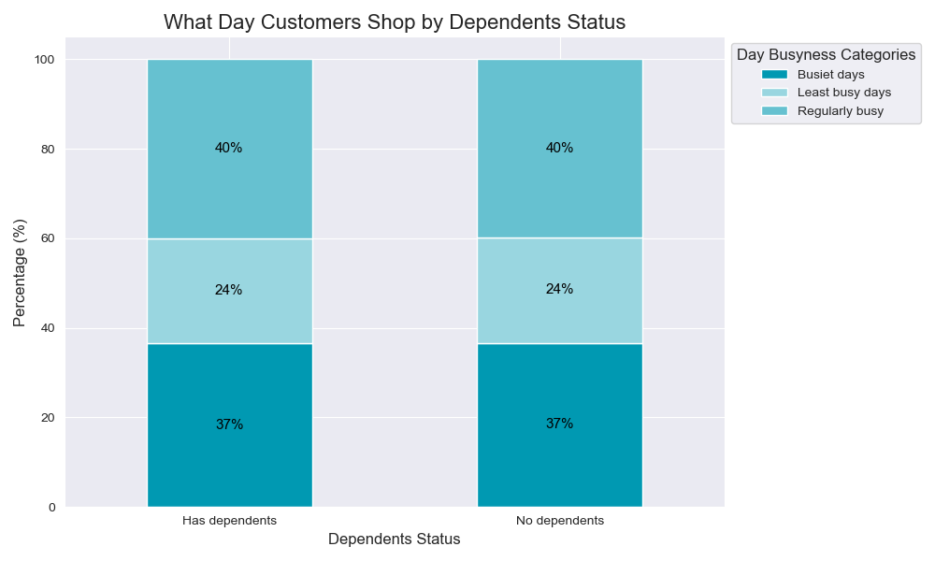
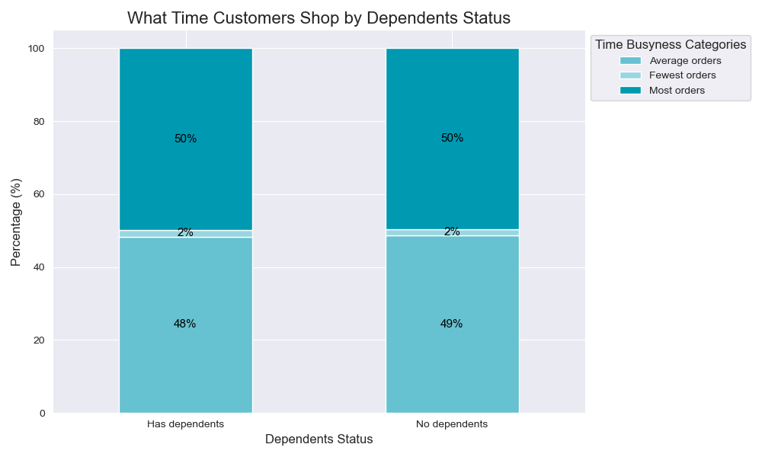

e: What different classifications does the demographic information suggest? Age? Income? Certain types of goods? Family status?
INCOME

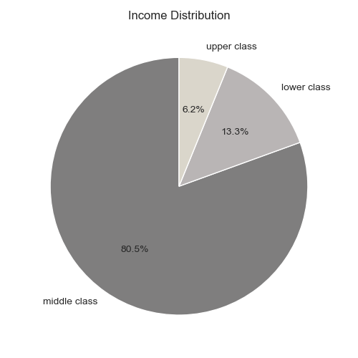
Frequency: inconsistent
There is a slight difference with lower class being 3% more infrequent than the most frequent class: middle class.
Product Quantity: inconsistent
Lower class is more likely to have a smaller number of products per order with a 12% higher low product quantity range than middle class.
Order Total: inconsistent
This is the biggest difference between classes - the lower class is more likely to have a lower order total with a 15% higher low order total than middle class.
Day: consistent
1. Regular aka regularly busy (Mon, Thurs, Fri)
2. Busy aka busiest days (Sat, Sun)
3. Slow aka least busy days (Tues, Wed)
Time: consistent
1. Busy aka most orders (hours 10 - 15)
2. Regular aka average orders (hours 5 - 10, 15 - 23)
3. Slow aka fewest orders (hours 0 -5)

Middle class accounts for the most volume in Instacart data. The distribution order is as follows:
1. Middle class 81%
2. Lower class 13%
3. Upper class 6%
The main difference between classes is their order total, product quantity per order, and visit frequency. See ordering behaviors illustrated here:

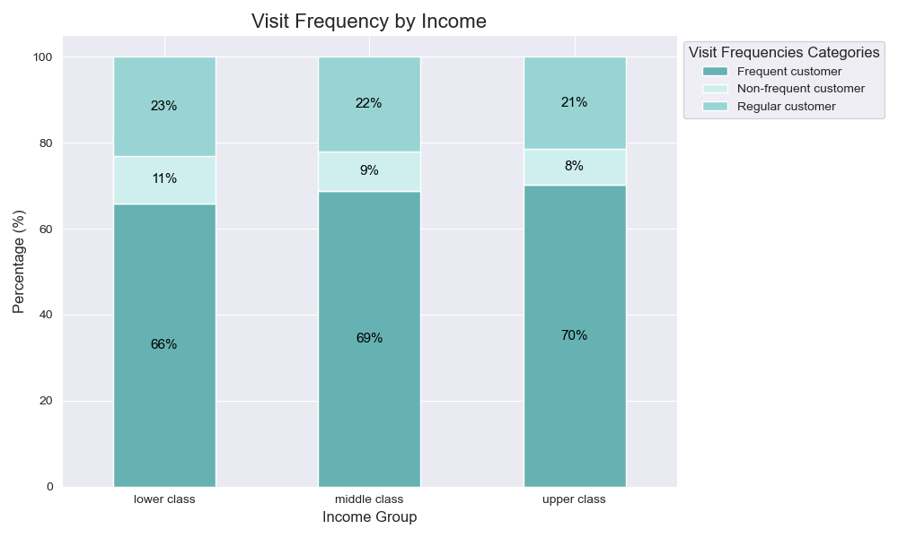
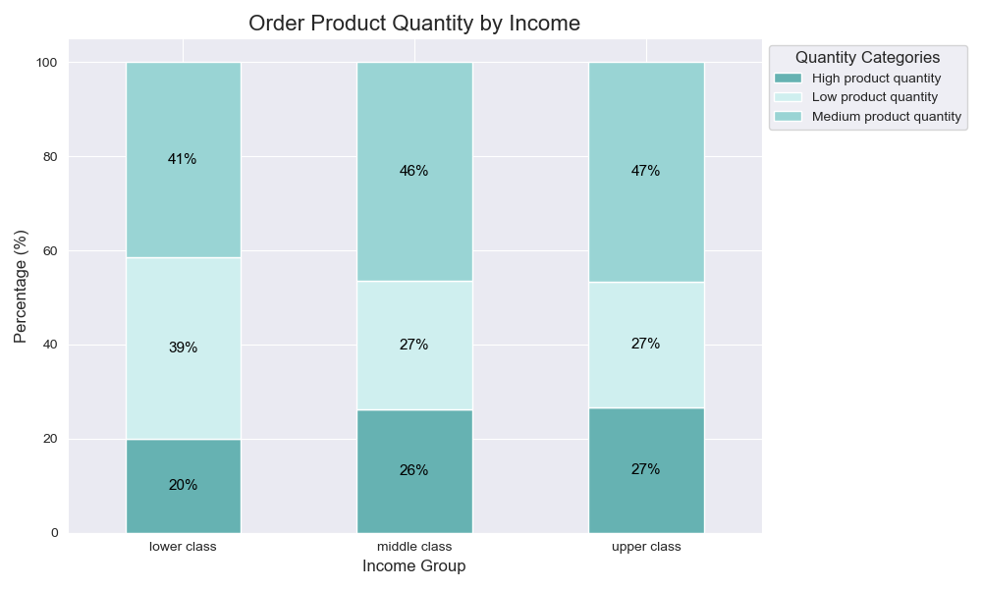
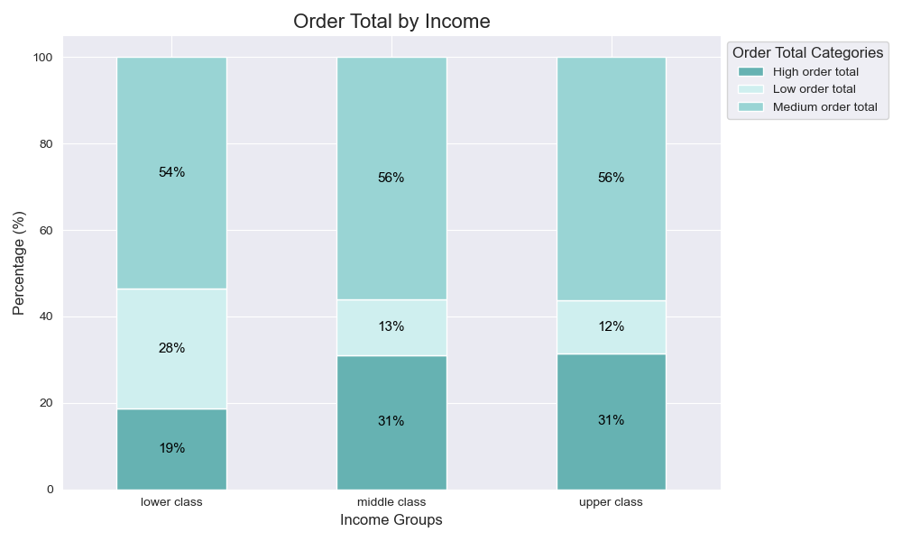
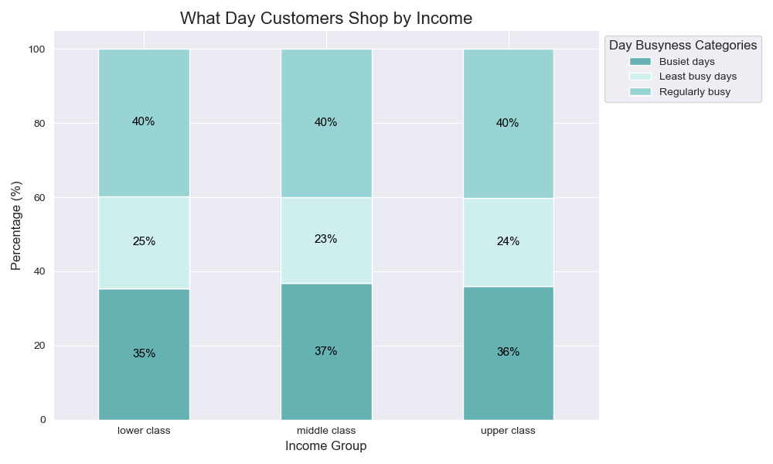
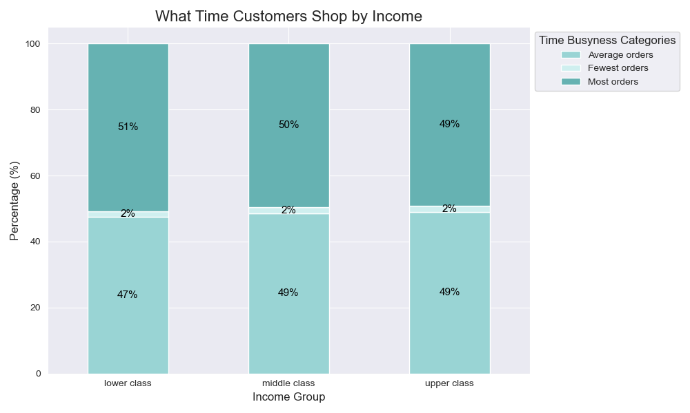

f: What differences can you find in ordering habits of different custom profiles? Consider the price of orders, the frequency of orders, the products customers are ordering,
and anything else you can think of.
OTHER PROFILES

Who are Instacart's Customers?
Profile: The majority of Instacart customers are older, middle class individuals with families, or other dependents.
- 80% Middle class
- Are older (65% are 40+ years old)
- 75% Have dependents
Shopping Habits: The majority of Instacart customers shop for the week, typically on the weekend during the day, and spend about $120 on about 15 products.
- Shop every 10 days or less
- Buy an average of 15 products per order
- Spend an average of $120 per order
- Have made 11 - 40 orders with Instacart
- Shop on weekends and during daylight hours (mainly a few hours before or after lunch)
- Spend the most per order (due to an increase in products per order) during non busy hours, with peaks at 3- 4 am and 9 - 11pm.
Instacart's Products
Profile:
- 66% Mid price range ($5 - $15)
Most Bought:
- Popularity:
1. Produce,
2. Dairy Eggs,
3. Snacks,
4. Beverages,
5. Frozen

Trends

LOYAL
the more loyal the customer, the more frequent they are.
More likely to shop in the morning (6 - 8am)
INCOME
lower income customers typically spend less per order and buy less products per order.

There is a higher percent of lower class income in the 'New customer' loyalty than any other loyalty. Age and region distibution are even amongst loyalties.

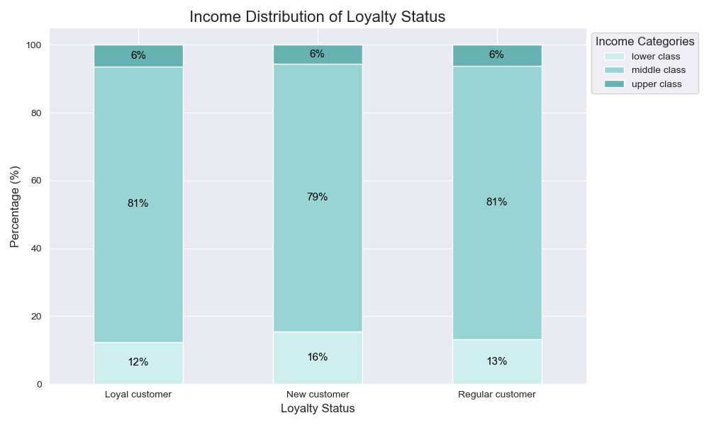
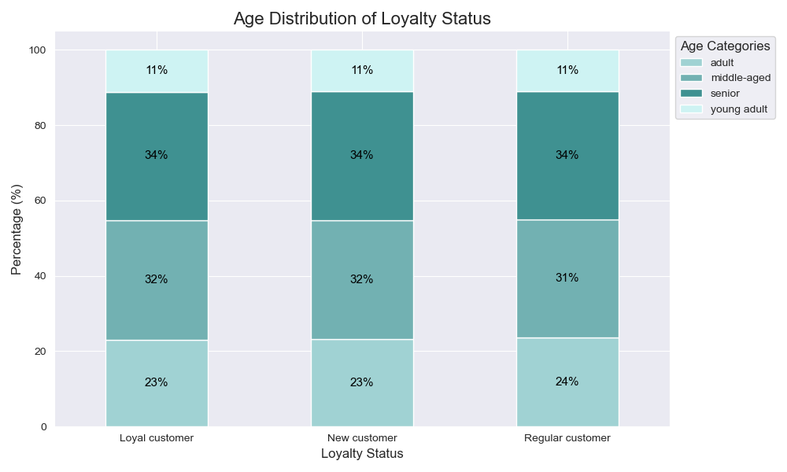
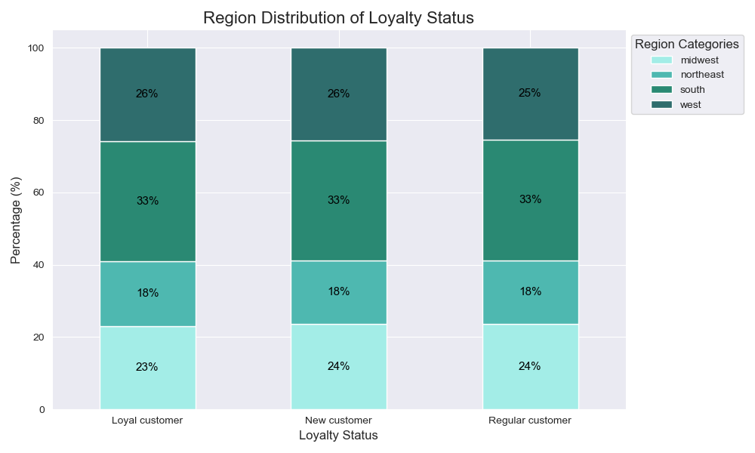

Revenue by region is proportional to region distribution.

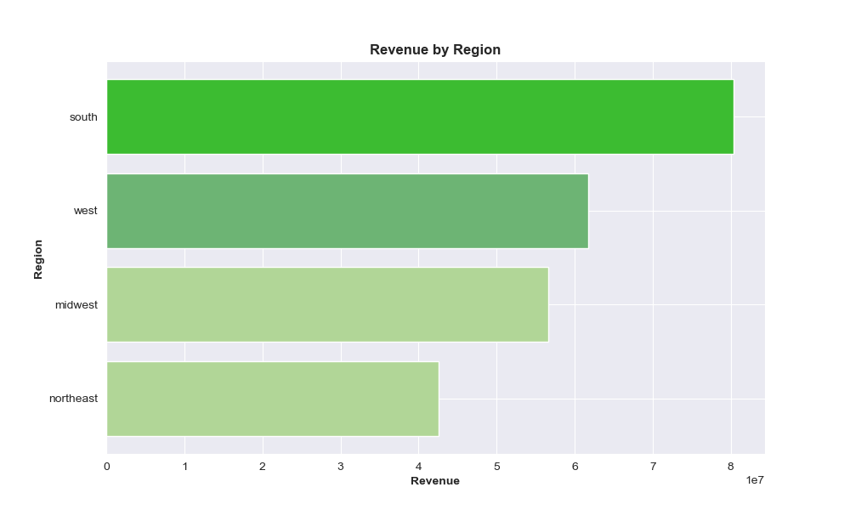


Loyal customers shop in the early morning (6 - 8 am) then any other time of day. Age and Income per hour only vary on a 0 - 3 % per hour.

7. Recommendations
 |  |  | Title page

Recommendations

Question | Answer
Key Question 1: What are the busiest/slowest days and hours. | The busiest days are (1) Saturday and (2) Sunday, with the busiest hours being (1) 10am and (2) 11am. To schedule ads during less busy days/time, schedule on Tuesday or Wednesday. Ads can be released right before or after typical work hours where Instacart order traffic is low and customer opportunity is optimal. However, order traffic is at it's lowest from hours 1 - 5 am.
Key Question 2: When do people spend the most money? | Total revenue is at its highest during the busiest hours: 10 and 11am. However, people send the most per order during 3 - 4 am and 9 - 11 pm due to an increase in products per order.
Key Question 3: Create product price ranges. | Low: $5 or less (33% of products) Mid: $6 - $15 (66%) High: over $15 (1%)
Key Question 4: What are the most popular departments? |  1. Produce 2. Dairy Eggs 3. Snacks 4. Beverages 5. Frozen
Key Question 5: What is the distibution and ordering habits of customers by profiles (loyalty, region, income, dependent status, age)? |      The majority of Instacart customers are older, middle class individuals with families, or other dependents.
Key Question 6: What are the ordering habits of the profiles? |    Overall there is a lot of consistency or common ordering habits between the profiles (loyalty, region, income, dependent status, age). Loyalty: - Uneven distribution of visit frequency (see below for details) - Even distribution of: product quantity per order, order total, shopping day, shopping time Region: - Even distribution of: visit frequency, product quantity per order, order total, shopping day, shopping time Income: - Uneven distribution of: visit frequency, product quantity per order, order total (see below) - Even distribution of: shopping day, shopping time Dependent Status: - Even distribution of: visit frequency, product quantity per order, order total, shopping day, shopping time Age: - Even distribution of: visit frequency, product quantity per order, order total, shopping day, shopping time | 

Key Question 7: What are the differences in the ordering habits of the profiles? | The differences between the customer profiles are as follows: - Frequency: Customers with a higher number of orders are more frequent customers, returning every 10 days or less. The less number of orders, the more infrequent. Lower class income customers are slightly less frequent than other income groups. - Number of Products per Order/Order Total: Lower class income customers are more likely to have a lower number of products per order and order total than any other income group. - Time of Day: Loyal customers, i.e. those with more than 40 orders with Instacart, are more likely to shop at 7 - 8 am.

